Notes
Status Last Updated:
Apr-26

Drilling Activity Update 2026

Background
The NSTA dataset of drilling activity by year and by region shows the number of wells spudded in each year under different groupings and categories.
As of June 2023 this dataset has now been refreshed to utilise well counts from the Well Operations Notification System (WONS) database.

The Well Operations Notification System (WONS) database has been updated for suitability and reliability. However, as a result of system changes in well type
classifications, there are some discrepancies compared to well count figures previously released.

Drilling activity well count:
The new drilling activity update is entirely based on data from the WONS database considering the characteristics:

Wellbore Parent Relationship:
The count of historical side tracks utilising the ‘Wellbore Parent Relationship’ field. This field is present when a well has a relationship to another ‘parent’ entry in WONS.

Method of counting side tracks:
Side tracks are only counted if both the WONS data field ‘Sidetrack Type’ and ‘Wellbore Parent Relationship’ are not blank.
The diagrams below show the decision tree for labelling side tracks and an illustration of well types:
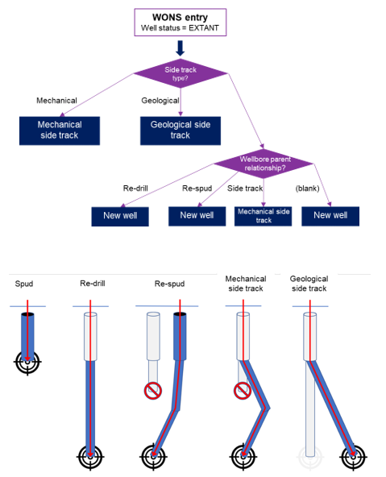

Unreported wellbore project:
Over the past 18 months, the NSTA have undertaken a project with industry to identify previously unreported wellbores drilled in the UKCS. The majority of these wellbores are failed sidetracks due to hole issues or stuck/lost tools, activities that previously did not require reporting.
These previously unreported legacy wellbores are now being reported by licensees and reflected in WONS. This project, which will continue, has so far resulted in the addition of 609 legacy wellbores into WONS.
Due to the large number of additional wellbores now included in WONS, the number of wellbores drilled per year can be significantly different from previous year when compared to previous reports.
If you have any questions related to this project please contact ISC@nstauthority.co.uk

